Sheet1
QUALITY ALERT |  |  | CUSTOMER | Ashok Leyalnd
 |  |  | PART NO.- | FNK08958 , FPN00755
 |  |  | DATE | 14.06.23
 |  |  | PROBLEM | ID LOOSE issue
PURPOSE:- To avoid ID over size in Hose
OK Process | NG PROCESS
Hose के एन्ड पर टेप नहीं लगी हुई हे
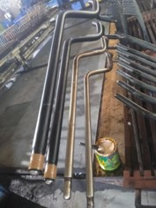 | 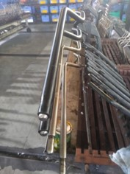
Hose के एन्ड पर टेप लगी हुई हे

OK CONDITION :-Tapes used for controlling the OD of the hose during mandrelling process before vulcanization. | NG CONDITION:-No tapes used for controlling the OD of the hose during mandrelling process

1. Training and Instruction given to all related associates. 2- पार्ट FNK08958 , FPN00755 में वल्क नाइज़र से पहले HOSE के एन्ड पर टेप अवश्य लगाए और फिर भट्टी में रखे . | Training Records

 | Trainee Name | Department | Sign | Trainee Name | Department | Sign
 | Jai Hind | Prod.Opr
 | Pardeep | Prod.Opr
 | Vinod | Prod.Opr
 | Avnish | Prod.Opr
 | Suleman | Prod.Opr
 | Mahveer | Prod.Opr
 | Aditya | Prod.Opr
 | Nand Lal | Prod.Opr
 | Shiv Kumar | Prod.Opr
 | Ajay | Prod.Opr
 | Muneder | Prod.Opr
 | Parbhakar | Prod.Supervisor
 | Komal | Prod.Supervisor
 | Document No. | EMDET/SF/QA/040
 | TRAINER | Rajesh |  | Approved By | Aas Mohd.

